Tabelle1
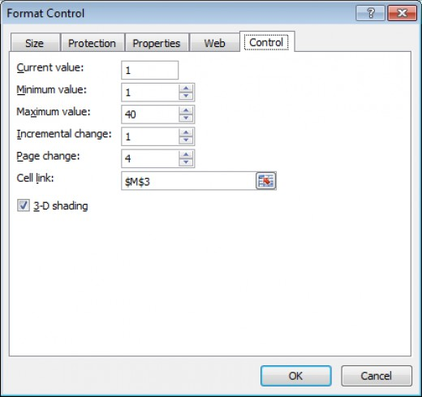
Scrollbars are useful to pick values from a definable range:
- The scrollbars used here dont't require any VBA coding (no ActiveX Controls).
- To insert a scrollbar to your spreadsheet, see Screenshot 1.
- To format a scrollbar use right-mouse button and click on Format Control.
- In the Format Control window define upper/lower boundaries, etc. and establish the link to the cell ('Output Cells'), see Screenshot 2.
- Only positive values are allowed as minimum/maximum, etc.
- To extend the value ranges to e.g. negative values, simple maths (in the spreadsheet) helps to create a 'Final Results' cell.
 | From 0 to 100 |  | Final Results | Output Cells
0 |  | 100 | 72 | 72

 | From -50 to 0
-50 |  | 0 | -40 | 10

 | From -10 to +10
-10 |  | +10 | 7 | 17

 | From -20% to +20%
-20% |  | +20% | -14% | 6
 |  |  |  |  | Screenshot 1 - adding a scrollbar to the spreadsheet
 | From 'very low' to 'very high'
very low |  | very high | high | 4

Contact: | excel@treamo.com

 |  |  |  |  | Screenshot 2 - define upper/lower boundaries, etc.

